WHOLE NUMBER
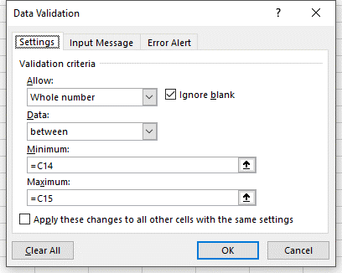
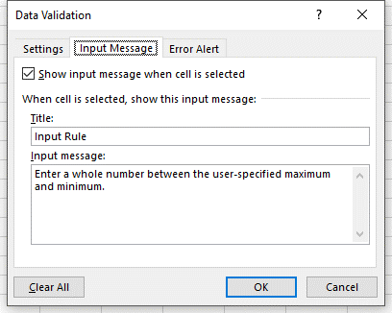
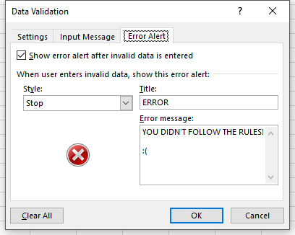
Data Validation
Whole Numbers Only

Step 1 | Review the data validation rules in the screenshots below
Step 2 | Select the highlighted cell and read the input message box
Step 3 | Enter a number outside of the minimum and maximum values, and review the error message
 | Because the error style is "Stop", you cannot enter a value outside of the range
Step 4 | Select "Retry"
Step 5 | Enter a number between the minimum and maximum values

 | Minimum | -100
 | Maximum | 200
 | Input

DECIMAL
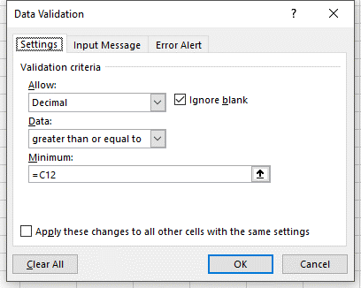
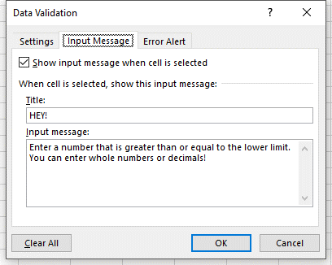
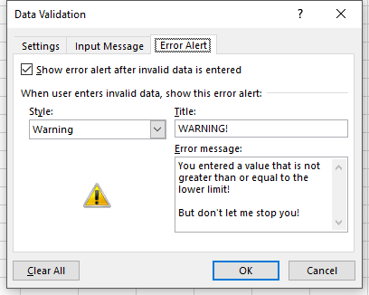
Data Validation
Numbers (Including Decimals) Greater Than a Minimum

Step 1 | Review the data validation rules in the screenshots below
Step 2 | Select the highlighted cell and read the input message box
Step 3 | Enter a number below the lower limit
 | Because the error style is "Warning" (per the last validation menu) you are simply asked if you want to proceed with entering the invalid data
Step 4 | Select "No"
Step 5 | Enter zero or any positive number (integer or non-integer)

 | Lower Decimal Limit | 0
 | Input

LIST
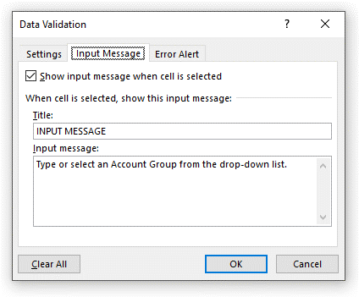
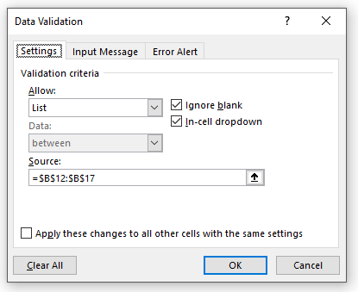
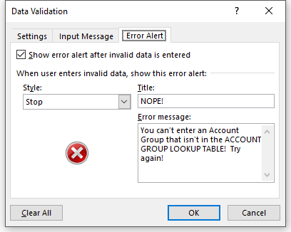
Data Validation
List

Goal | You need to record the -$100 transaction as an "Adjustment" (in the yellow cell), which does not yet exist as an Account Group
Step 1 | Review the data validation rules in the screenshots below
Step 2 | Select the highlighted cell and click on the drop-down box to confirm that "Adjustment" does not exist
Step 3 | Insert "Adjustment" in the list of Account Groups anywhere in the table above the grey cell at the bottom
Step 4 | Once again, select the highlighted cell and select Adjustment

 | Groups | Transactions
 | Account Groups | Account Group | Month Ended | Transaction Amount
 | Income | Income | 2017-01-31 | 292.00
 | Expense | Expense | 2017-02-28 | -434.00
 | Asset | Equity | 2017-03-31 | -774.00
 | Liability | Asset | 2017-01-31 | 464.00
 | Equity | Liability | 2017-02-28 | -452.00
 |  | Equity | 2017-03-31 | -796.00
 |  | Liability | 2017-01-31 | -305.00
 |  | Expense | 2017-02-28 | -384.00
 |  | Asset | 2017-03-31 | 307.00
 |  |  | 2017-03-31 | -100.00

DATE
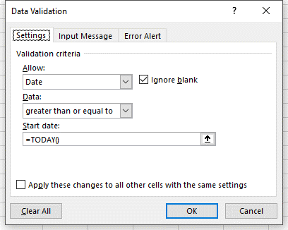
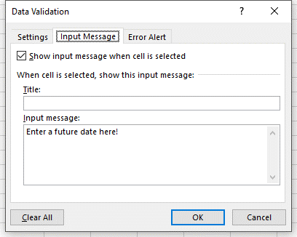
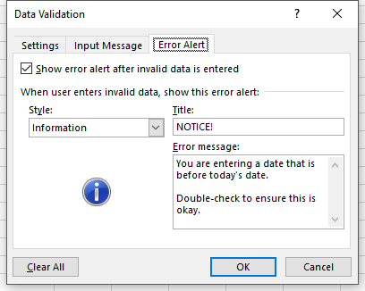
Data Validation
Dates

Step 1 | Review the data validation rules in the screenshots below
Step 2 | Select the highlighted cell and read the input message box
Step 3 | Enter a date before today's date
Step 4 | Read the informational message that pops up
Step 5 | Click OK
 | Because the error style is "Information" the entry is accepted

 | Enter today's date or later:

TEXT LENGTH
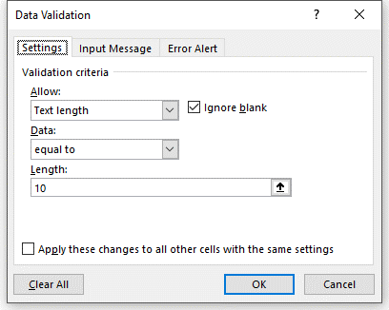
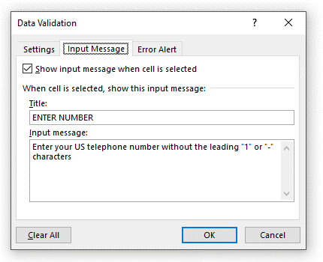
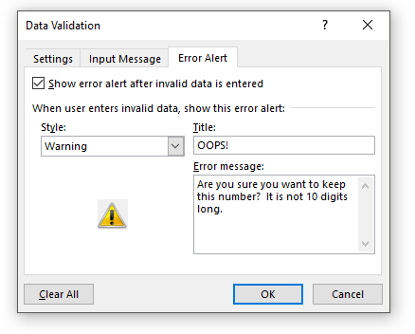
Data Validation
Text Length

Step 1 | Review the data validation rules in the screenshots below
Step 2 | Select the highlighted cell and read the input message box
Step 3 | Enter "A" ten times
 | Notice that this isn't a number, but since it is 10 digits, it will still work!
Step 4 | Now try to enter a 5-digit number
 | Read the warning message that pops up
Step 5 | Select "Yes" to continue

 | Enter your 10-digit phone number

CUSTOM
Data Validation
Custom

Goal | Try to enter 1) a duplicate entry, and 2) a new entry in a list containing a custom validation rule
Step 1 | Review the data validation rules in the screenshots below
 | Notice that this is a custom rule. The idea is that no duplicates can exist in the table (the count of any Account Group is less than or equal to 1)
Step 2 | Insert a new row anywhere in the table, above the grey buffer cell
Step 3 | Try to enter "Asset"
 | Notice that it will not work
Step 4 | Now enter "Adjustment"
 | It works because "Adjustment" exists only once in the table

 | Account Groups
 | Income
 | Expense
 | Asset
 | Liability
 | Equity

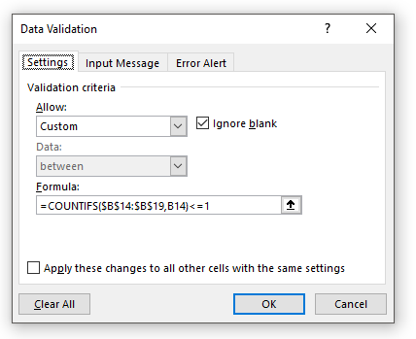
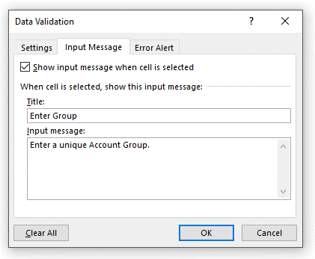
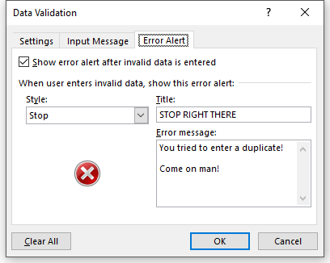

 | Note: the above screenshot shows the rule for cell B14

