FIND FORMULAS
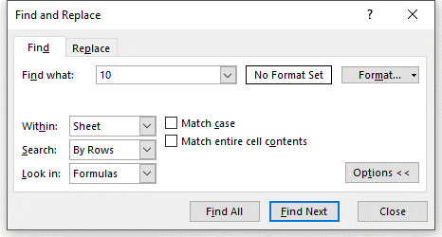
Find all cells in this worksheet whose formulas contain the number 10 (keep an eye on the formula bar)
Shortcut: CTRL+F
 | Value | Formula
 | 10 | =9+1
 | 11 | =10+1
 | 10 | No Formula
 | Comment | No Formula

FIND VALUES
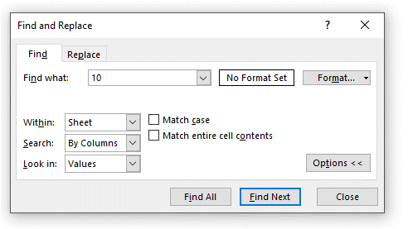
Find all cells in this worksheet whose values contain the number 10 (keep an eye on the actual cells, not the formula bar)
Shortcut: CTRL+F
 | Value | Formula
 | 10 | =9+1
 | 11 | =10+1
 | 10 | No Formula
 | Comment | No Formula

FIND COMMENTS
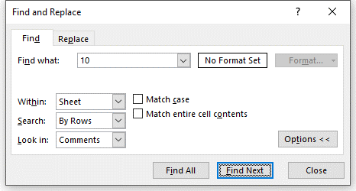
Find all cells in this worksheet whose comments contain the number 10 (keep an eye on the cell comments)
Shortcut: CTRL+F
 | Value | Formula
 | 10 | =9+1
 | 11 | =10+1
 | 10 | No Formula
 | Comment | No Formula
 | Comment | No Formula
 | Comment | No Formula
 | Comment | No Formula

FIND FORMATS
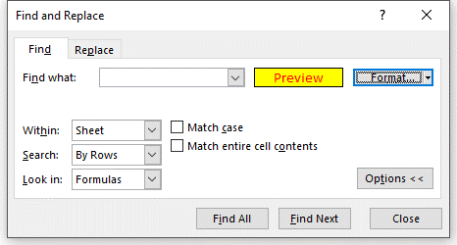
Find cells with yellow highlights and red fonts
Shortcut: CTRL+F

 | 1

 | 2

 | 3

 | 4

 | 5

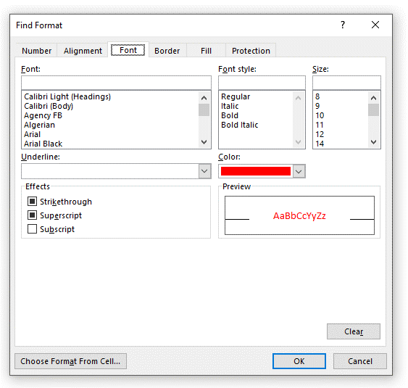
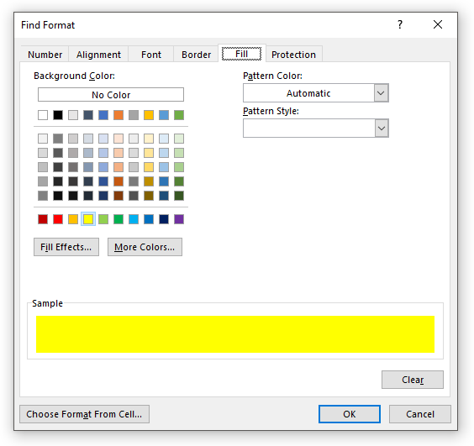
 | 6

FIND WITHIN WORKBOOK 1
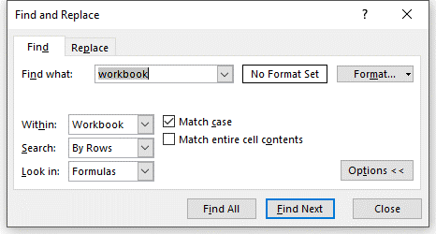
Find cells that contain the word "Workbook", but in all lower-case (case-sensitive)
Shortcut: CTRL+F

 | WORKBOOK
 | workbook
 | THIS IS A WORKBOOK
 | this is a workbook

SEARCH BY ROWS
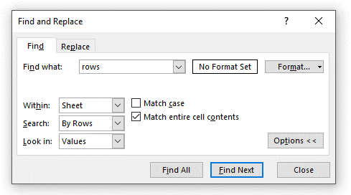
Find all cells whose exact contents are "rows" (not case-sensitive,) and search by rows
Shortcut: CTRL+F

 | rows | Rows | ROWS

 | The Rows | The Rows | The Rows

 | rows | Rows | ROWS

SEARCH BY COLUMNS
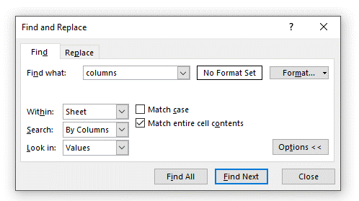
Find all cells whose exact contents are "columns", but not case-sensitive, and search by columns
Shortcut: CTRL+F

 | columns | Columns | COLUMNS

 | The Columns | The Columns | The Columns

 | columns | Columns | COLUMNS

REPLACE
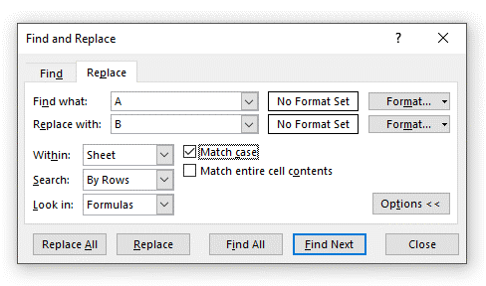
Replace "a" with "b" (but upper-case) in the blue cells below (case-sensitive)
Shortcut: CTRL+H

 | 111A111

 | 222A222

 | 333A333

REPLACE ALL
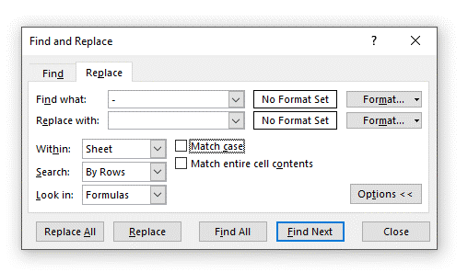
Get rid of the dashes in the account numbers below, and replace them with nothing
Shortcut: CTRL+H

 | Account Number | Amount
 | 111-111 | 100
 | 111-112 | 200
 | 111-113 | 300
 | 111-114 | 400
 | 111-115 | 500
 | 111-116 | 600
 | 111-117 | 800
 | 111-118 | 800

REPLACE CELL REFERENCE
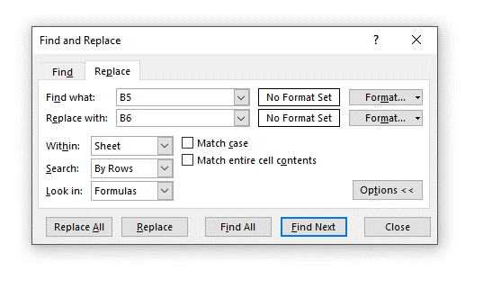
Replace "B5" with "B6" in the blue cells below
Shortcut: CTRL+H

 | Reference Data
 | 1
 | 2

 | Calculation | Formula Text
 | 100 | =B5*100
 | 200 | =B5*200
 | 300 | =B5*300
 | 400 | =B5*400

FIND HIDDEN
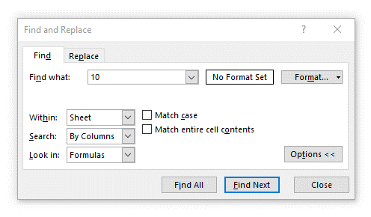
Hide or group the rows containing the blue cells and find all instances of "10" below
Shortcut: CTRL+F

 | 100
 | 104
 | 105

Note: Excel can only find hidden data when looking in formulas!

