FORMULA RULE
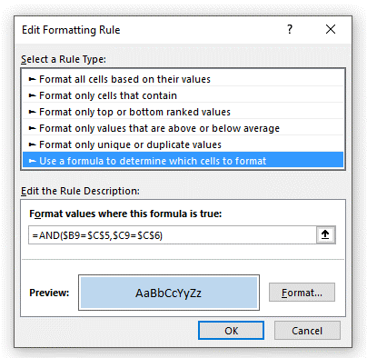
Enter values in the yellow cells to highlight blue the corresponding data below |  |  |  | Here is the rule:

 |  | Highlight Criteria
 | Account
 | Month-Ended

 | Account | Month-Ended | Amount
 | 111 | 2018-01-31 | 661.00
 | 111 | 2018-02-28 | 838.00
 | 111 | 2018-03-31 | 219.00
 | 222 | 2018-01-31 | 910.00
 | 222 | 2018-02-28 | (144.00)
 | 222 | 2018-03-31 | (43.00)
 | 333 | 2018-01-31 | 282.00
 | 333 | 2018-02-28 | 104.00
 | 333 | 2018-03-31 | (574.00)
 | 444 | 2018-01-31 | 669.00
 | 444 | 2018-02-28 | (658.00)
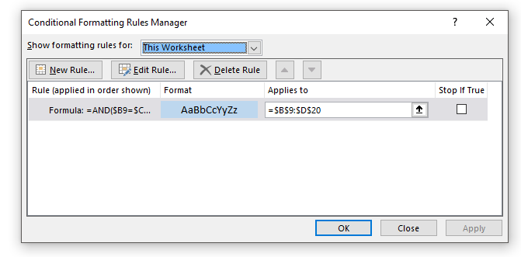
 | 444 | 2018-03-31 | (167.00) | Here are the cells that the rule applies to:

RULES BUILDUP
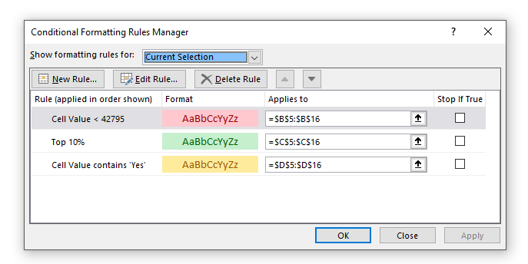
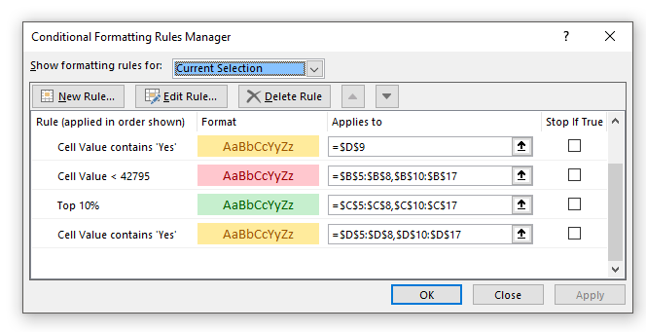
Observe the conditional formatting rules. Then, insert a new row in the below table, and copy and paste any existing line into the new row, and re-examine the rules
Shortcut: ALT, H, L, R

Account | Month Ended | Amount | Review?
111 | 31-Jan-17 | (298.00) | Yes
222 | 31-Jan-17 | (897.00)
333 | 31-Jan-17 | 495.00 | Yes
444 | 31-Jan-17 | (515.00)
111 | 28-Feb-17 | 55.00 | Yes
222 | 28-Feb-17 | (110.00) | Yes
333 | 28-Feb-17 | (69.00)
444 | 28-Feb-17 | 560.00
111 | 31-Mar-17 | 903.00
222 | 31-Mar-17 | 876.00 | Yes
333 | 31-Mar-17 | 20.00
444 | 31-Mar-17 | (380.00) | Yes

 | Here are the rules before the insertion and copy/paste: |  |  | Here are the rules after the insertion and copy/paste:

